Visualization & Reporting
Visualization & Reporting:

 |  |  | KPI Use

1. Create a bar chart showing the number of new subscriptions per month for year 2022.
 |  |  |  | Row Labels | Count of created_date
 | Row Labels | Count of created_date |  | Sunday | 306
Number of new Subscriptions per month in2022
 | Dec | 230 |  | Monday | 539
 | Nov | 189 |  | Tuesday | 487
 | Oct | 196 |  | Wednesday | 472
 | Sep | 283 |  | Thursday | 505
 | Aug | 268 |  | Friday | 452
 | Jul | 306 |  | Saturday | 308
 | Jun | 275 |  | Grand Total | 3069
 | May | 285
 | Apr | 223
 | Mar | 266
 | Feb | 275
 | Jan | 273
 | Grand Total | 3069
 |  |  |  | Row Labels | Count of created_date
 |  |  |  | 2022 | 832
 |  |  |  | 2023 | 2237
2. Generate a pie chart displaying the percentage of paid vs. unpaid subscriptions. |  |  |  | Grand Total | 3069

Percentage of Paid vs. Unpaid Subscriptions

 | Row Labels | Count of was_subscription_paid
 | Unpaid | 4.33%
 | Paid | 95.67%
 | Grand Total | 100.00%

3. Plot a line graph of subscription cancellations over time.

Subscription Cancelled Over Time
 | Row Labels | Count of canceled_date
 | 2022 | 346
 | 2023 | 1658
 | Grand Total | 2004

Requirements
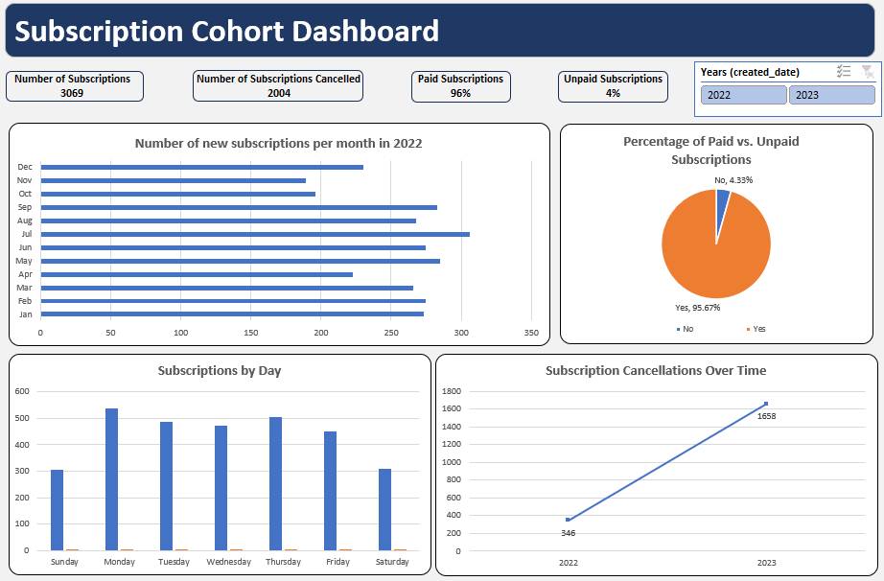
Instructions for Students:
Data Prepration:
1. Create a new column Cancellation Duration. This will contain the difference between date created and cancelled in days.
2. Create another column to show the weekday when the subscription was created.
Data Analysis Tasks:
1. Calculate the total number of subscriptions and cancellations.
2. Determine the percentage of paid vs. unpaid subscriptions.
3. Analyze the average subscription duration before cancellation.
4. Identify the date with the highest number of new subscriptions.
5. Find the proportion of subscriptions that were canceled within one day.
Visualization & Reporting:
1. Create a bar chart showing the number of new subscriptions per month for year 2022.
2. Generate a pie chart displaying the percentage of paid vs. unpaid subscriptions.
3. Plot a line graph of subscription cancellations over time.
Questions for Analysis:
1. Which date had the highest number of subscriptions cancellations?
2. How many subscriptions were canceled on the same day they were created?
3. What is the cancellation rate within the first two days of subscription?
4. How many subscriptions lasted more than one month?
5. What is the most common duration before cancellation?
6. How does the number of subscriptions vary by day?
7. Are there any indications that unpaid subscriptions have a higher cancellation rate?
Prepare a Dashboard based on your findings.

Expected Dashboard

DashBoard
Number of new Subscriptions per month in2022
 | Total
Dec | 230
Nov | 189
Oct | 196
Sep | 283
Aug | 268
Jul | 306
Jun | 275
May | 285
Apr | 223
Mar | 266
Feb | 275
Jan | 273
Percentage of Paid vs. Unpaid Subscriptions
 | Total
Unpaid | 4.33%
Paid | 95.67%
Subscription Cancelled Over Time
 | Total
2022 | 346
2023 | 1658
Subscribtion by Day
 | Total
Sunday | 306
Monday | 539
Tuesday | 487
Wednesday | 472
Thursday | 505
Friday | 452
Saturday | 308
Subscription Cohort DashBorad
Number of Subscription
Number of subscription cancelled
Paid Subscription
Unpaid Subscription

3069 | 2004 | 96% | 4%

